Instructions
 | CCP12.PQD.Template.20211028v3

 | CCP12 PQD Template Instructions:

1 | The CCP12 PQD Template serves as a standardized structure in order for Central Counterparties (CCPs) to populate their CPMI-IOSCO Public Quantitative Disclosures under a common format.
2 | CCPs can choose to output their PQDs in either CSV or XLSX format. For CSV: Please "export" each sheet in this template to CSV (Comma Separated Values) in accordance with the below guide [Table3a/b].
3 | For XLSX: Please save this template in Excel as XLSX (Microsoft Excel Open XML) in accordance with the below guide [Table4].
4 | Table1 and Table2: Details of the primary columns which are populated across all DataFiles, and the 6 data types within the template, respectively.
5 | Table5a: Important additional details for populating the CCP12 PQD Template. Table5b: Remarks regarding the format of certain disclosures

 | Table1 |  |  |  | Table2
 | Primary Columns |  |  |  | 6 data types | All columns within the CCP12 PQD Template are custom formatted to the correct data format and display format.
 | Column Fields | Details | Example |  | Column Data Format | Details | Example | Remarks(s)
 | ReportDate | Date format: YYYY-MM-DD ISO 8601 standard required for date: https://www.iso.org/iso-8601-date-and-time-format.html Date notation should follow the following format per quarter: Q1 PQD reporting period: YYYY-03-31 Q2 PQD reporting period: YYYY-06-30 Q3 PQD reporting period: YYYY-09-30 Q4 PQD reporting period: YYYY-12-31 | 2020-03-31 |  | Date | All dates should be in the format: YYYY-MM-DD | 2020-03-31
 | ReportLevel | Insert the top reporting level. | "CCP" "Clearing Service" "Default Fund" |  | Duration | All durations should be in the format: HH:MM:SS 1 hour and 38 minutes equivalent to: 01:38:00 | 1:38:00 | Primarily for disclosure 17.3.1
 | ReportLevelIdentifier | Provide a report level identifier |  |  | Number 0 d.p. | All numbers 0 d.p.(s) should be whole numbers in the format: # | 1
 | Currency | ISO 4217 Standards required for currency: https://www.iso.org/iso-4217-currency-codes.html | "CNY", "EUR", "USD" |  | Currency / Number 2 d.p. | All currency or numbers 2 d.p.(s) should be in the format: #.## | 10000.00 | Please ensure that only numbers are placed in these fields. Currency symbols and/or text should not be in these fields.
 |  |  |  |  | Percentage 2 d.p. | All percentages 2 d.p.(s) should be in a decimal format: #.##% | 99.50% | For XLSX based PQDs, Excel always stores the underlying data in decimal form, however the data is displayed with the percent symbol. E.g.: 0.9950 is displayed as 99.50% in Excel. For CSV based PQDs, it is advised to ensure that data is in the format "99.50%" rather than displaying any other format; for consistency.
 |  |  |  |  | Text | All text should be limited to a maximum of 255 characters, where possible. | Cover 2 | HTML links are classed as text. Please ensure the full HTML link is provided in the format "https://…", rather than text with embedded hyperlinks.

 | Table3a |  |  |  | Table3b
 | PQDs in CSV Format: |  |  | ► | PQDs in CSV Format (Cont.)
 | CSV - Universal Filname Convention for Exported CSV files: |  |  |  | (1) Exporting the XLSX workbook to individual CSV files: | For members who populate this XLSX template and then export to CSV (Via manual or automated processes), it is advised that "CSV (Comma Delimited)" is selected as the exported file type. (See Figure A, below).
 | AggregateDataFile Naming: | "CCP_AggregateDataFile_YYYYQ#.csv"
 | Example: | "CCP_AggregateDataFile_2020Q1" |  |  | (2) Place all CSV files into a single ZIP file: | Ensure that all the individual CSV files are correctly named and placed into a ZIP file.
 | DataFile Naming: | "CCP_DataFile_##_#_YYYYQ#.csv" |  |  | (3) ZIP filename notation: | The name of the ZIP file should reflect the PQD quarter with the following notation. "CCP_PQD_YYYYQ#", E.g. "CCP_PQD_2020Q1"
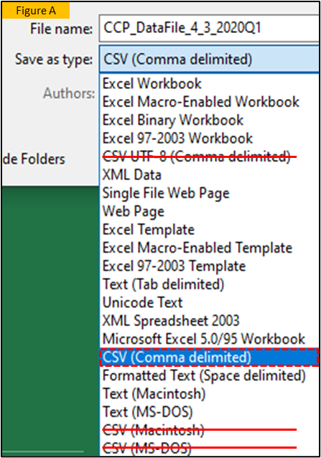
 | Example: | "CCP_DataFile_4_3_2020Q1.csv"
 | Each sheet within this workbook should be exported as CSV.
 | "CCP" should represent the CCP mnemonic.

 | Table4
 | PQDs in XLSX Format:
 | XLSX - Universal Filename Convention for this XLSX Workbook:
 | XLSX File Naming: | "CCP_PQD_YYYYQ#.xlsx"
 | Example: | "CCP_PQD_2020Q1.xlsx"
 | Sheetname notation: | As stated within this .xlsx: "CCP_AggregatedDataFile", "CCP_DataFile_4_3", "CCP_DataFile4_4a"
 | "CCP" should represent the CCP mnemonic.

 | Table5a
 | Additional Notes
 | 1. CCPs can choose to generate separate files per Clearing Service if this is easier for their implementation
 | 2. CCPs can choose to include all historical PQD data in their PQDs from previous years/quarters OR PQD data just for the current quarter.
 | 3. Decimal separator (Radix point) should be a decimal point (excluding commas) i.e. one million = 1000000.00. Round to the relevant decimal point; and do not truncate.
 | 4. Double quotes can be used as text qualifiers for all fields in the CSV files to aid data interpretation.
 | 5. The CCP12 PQD Template should be used in its entirety, even if a disclosure is not applicable to the CCP.
 | 6. If a disclosure is not applicable, the cell(s) should contain N/A. Please do not use any other notation. i.e. it would be undesired to use: "-" or "Not applicable".
 | 7. Sheet details: Guide - General PQD Guide; QualitativeNotes - CCPs should populate this sheet with additional notes in relation to their disclosures (if applicable); Revisions - CCPs should track any changes to their PQDs in this sheet if a change occurs (if applicable); CCP_ConsolidatedDataFile - CCPs should populate a single sheet with all the disclosures for easy legibility.

 | Table5b
 | Special Cases: | Details
 | 4.1.9 | In most cases this is a numeric figure 2 d.p., however, this can also be a text field if the CCP holds the data externally on their website within a PDF document. The full "https://" link should be provided
 | 4.4.2 | In most cases this is a numeric figure 2 d.p., however, this can also be a text field if, for example: the CCP splits by House/Client

